Sheet1
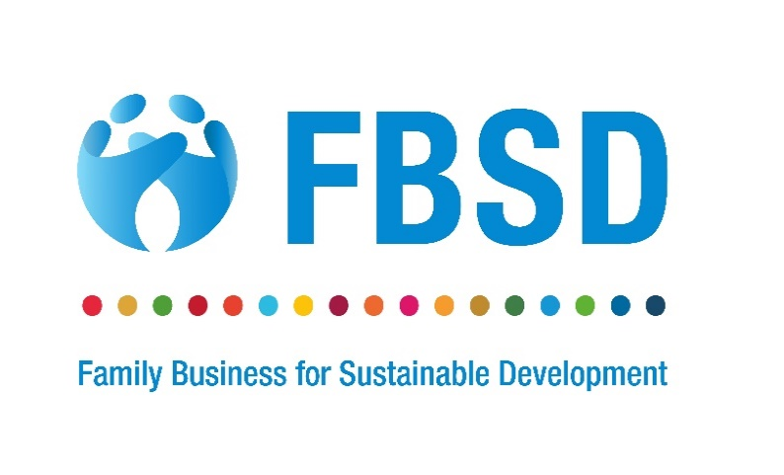
Sustainability Indicators for Family Business (SIFB)
Economic Area |  |  |  |  |  | Year 1 | Year 2
A. | A. | Economic area | Indicators | Measurement | Relevant SDG indicator | 202_/202_ | 202_/202_
1 | A.1. | Revenue and/or (net) value added | A.1.1. Revenue | Defined and measured according to the “IFRS 15 Revenue from Contracts with Customers". | 8.2.1
2 |  |  | A.1.2. Value added | Revenue minus costs of bought-in materials, goods and services from external suppliers (gross value added, GVA). | 8.2.1; 9.2.1; 9.3.1; 9.4.1; 9. b; 9.b.1.
3 |  |  | A.1.3. Net value added | Revenue minus costs of bought-in materials, goods and services from external suppliers and minus depreciation on tangible assets (Net Value Added, NVA). | 8.2.1; 9.2.1; 9.3.1; 9.4.1; 9.b; 9.b.1
4 | A.2. | Payments to the Government | A.2.1. Taxes and other payments to the Government | Total amount of taxes paid and payable (encompassing not only income taxes, but also other levies and taxes, such as property taxes or value added taxes) plus related penalties paid, plus all royalties, licence fees, and other payments to Government for a given period. | 17.1.2
5 | A.3. | New investment/expenditures | A.3.1 Green investment | Total amount of expenditures for renewable energy (e.g. wind energy, solar energy) in the reporting period in absolute amount and in % terms. | 7.b.1
6 |  |  | A.3.2. Community investment | Total amount of charitable/voluntary donations and investments of funds (both capital expenditure and operating ones) in the broader community where the target beneficiaries are external to the enterprise incurred in the reporting period in absolute amount and in % terms. | 17.17; 17.17.1
7 |  |  | A.3.3. Expenditures on research and development | Total amount of expenditures on research and development by the reporting entity during the reporting period in absolute amount and in % terms. | 9.5.1.
8 | A.4. | Local supplier/purchasing programmes | A.4.1. Share of local procurement | Proportion of procurement spending of a reporting entity at local suppliers (based on invoices or commitments made during the reporting period) in % terms and in absolute amount. | 9.3.1.
Environmental Area
B | B | Environmental area | Indicators | Measurement | Relevant SDG indicator
9 | B.1. | Sustainable use of water | B.1.1. Water recycling and reuse | Total volume of water recycled and/or reused by a reporting entity during the reporting period in absolute amount and in % terms. | 6.3.1.
10 |  |  | B.1.2. Water use efficiency | Net value added divided by the water use in the reporting period as well as change of net value added divided by the change of water use between two reporting periods (where water use is defined as water withdrawal plus total water received from third party). | 6.4.1.
11 |  |  | B.1.3. Water stress | Water withdrawn with a breakdown by sources (surface, ground, rainwater, wastewater) and with reference to water-stressed or water-scarce areas (expressed as a percentage of total withdrawals) in absolute amount and in % terms. | 6.4.2.
12 | B.2. | Waste management | B. 2.1. Waste generation | Change in the entity’s waste generation per net value added in % terms, in terms of change and in absolute amount. | 12.5.
13 |  |  | B.2.2. Waste reused, re-manufactured and recycled | Total amount of waste reused, remanufactured and recycled in absolute amount, in % terms and in terms of change. | 12.5.1.
14 |  |  | B.2.3. Hazardous waste generation | Total amount of hazardous waste, in absolute terms, as well as proportion of hazardous waste treated, given total waste reported by the reporting entity (in absolute amount, in % terms and in terms of change). | 12.4.2.
15 | B.3. | Greenhouse gas emissions | B.3.1. Greenhouse gas emissions (scope 1) | Scope 1 contribution in absolute amount, in % terms and in terms of change. | 9.4.1, 13.2.2
16 |  |  | B.3.2. Greenhouse gas emissions (scopes 2) | Scope 2 contribution in absolute amount, in % terms and in terms of change. | 9.4.1, 13.2.2
17 | B.4. | Ozone-depleting substances and chemicals | B.4.1. Ozone-depleting substances and chemicals dependency | Total amount of ozone-depleting substances (ODS) (bulk chemicals/substances existing either as a pure substance or as a mixture) per net value added. | 12.4; 12.4.2.
18 | B.5. | Energy consumption | B.5.1. Share of renewable energy | Renewable energy consumption as percentage of total energy consumption in the reporting period. | 7.2.1.
19 |  |  | B.5.2. Energy efficiency | Energy consumption per net value added. | 7.3.1.
20 | B.6. | Land and biodiversity | B.6.1. Land used ajacent to biodiversity sensitive areas | Number and area (in hectares) of sites owned, leased or managed in or adjacent to protected areas and/or key biodiversity areas. | 15
Social Area
C | C | Social area | Indicators | Measurement | Relevant SDG indicator
21 | C.1. | Gender equality | C.1.1. Share of women in managerial positions | Number of women in managerial positions to total number of employees in managerial positions (in terms of headcount or FTE). | 5.5.2.
22 | C.2. | Human capital | C.2.1. Hours of employee training | Average number of hours of training per employee per year (as total hours of training per year divided by total employees) possibly broken down by employee category. | 4.3.1.
23 |  |  | C.2.2. Expenditures on employee training | Direct and indirect costs of training (including costs such as trainers’ fees, training facilities, training equipment, related travel costs etc.) per employee per year possibly broken down by employee category. | 4.3.1.
24 |  |  | C.2.3. Employee wages and benefits | Total costs of employee workforce (wages and benefits) divided by the net value added in that reporting period. | 8.5.1; 10.4.1
25 | C.3. | Employee health and safety | C.3.1. Expenditures on employee health and safety | Total expenses for occupational safety and health-related insurance programmes, for health care activities financed directly by the company, and all expenses sustained for working environment issues related to occupational safety and health incurred during a reporting period; divided by the net value added in that same period. | 3.8.; 8.8
26 |  |  | C.3.2. Incident rates of occupational injuries | Total number injuries divided by total number of workers in the reporting period. | 8.8.1.
27 | C.4. | Coverage by collective agreements | C.4.1. Share of employees covered by collective agreements | Number of employees covered by collective agreements to total employees (in terms of headcount or FTE). | 8.8.2.
Institutional Area
D | D | Institutional area | Indicators | Measurement | Relevant SDG indicator
28 | D.1. | Corporate governance disclosures[1] | D.1.1. Board meetings and attendance | Number of board meetings during the reporting period and number of Board members who participate at each Board meeting during the reporting period divided by the total number of directors sitting on the Board multiplied by the number of Board meetings during the reporting period. | 16.6.
29 |  |  | D.1.2. Share of female board members | Female board members to total board members. | 5.5.2.
30 |  |  | D.1.3. Board members by age range | Number of board members by age range (e.g., under 30 years old, between 30 and 50, over 50) | 16.7.1.
31 |  |  | D.1.4. Audit committee meetings and attendance | Number of board meetings during the reporting period and number of Audit committee members who participate at each Audit committee meeting during the reporting period divided by the total number of members sitting on the Audit committee multiplied by the number of Audit committee meetings during the reporting period. | 16.6.
32 |  |  | D.1.5. Compensation per board member | Total annual compensation (including base salary and variable compensation) for each executive and non-executive director. | 16.6.
33 | D.2. | Anti-corruption practices | D.2.1. Corruption incidence | Number of confirmed incidents of corruption in the reporting period. | 16.5, 16.5.2.
34 |  |  | D.2.2. Management training on anti-corruption | Total number and percentage of managers who have received training on anti-corruption issues. | 16.5, 16.5.2.
Family Business Area
E | E | Family Business Area | Indicators | Measurement | Relevant SDG indicator
35 | E.1 | Governance Area | E.1.1 Advocacy for social and environment standards | Does your company work with policy makers and/or stakeholders to develop or advocate for increased adoption of ESG standards. Answer: Yes / No | 17.17.
36 |  |  | E.1.2. Review of social and environmental performance | Does the Board review the social and environmental performance of the company at least annually to determine if the company is meeting social and environmental objectives? Answer: Yes / No | 16.6.
37 |  |  | E.1.3 Transparency of sustainability performance | Is the review made available in a report to relevant stakeholders e.g. employees, suppliers, customers and owners. Answer: Yes / No | 16.6.
38 |  |  | E.1.4 Independent directors | Does the Board include Independent Directors? Answer: Number & percentage | 16.7.
39 |  |  | E.1.5 Family governance | Is there a family constitution (rules of engagement) to ensure good governance of the business and family for the long term? Answer: Yes / No | 16.7.
40 |  |  | E.1.6 Responsible ownership | As a family business , do you use resources and provide guidance to promote development-oriented policies and prepare the next generation to be responsible owners. Answer: Yes / No | 8.3.-8.8
41 | E.2 | Supply chain | E.2.1. Ethical supply chain policies | Does your company have a formal written supplier code of conduct that holds suppliers accountable for social and environmental performance. This may include policies on Fairtrade, anti-slavery, forced labour, child labour etc. Answer: Yes / No | 8.7.
42 |  |  | E.2.2 Ethical supply chain practices | What is the estimated percentage of materials or products purchased or sourced sustainably by your company as outlined in E.2.1?
43 | E.3 | Community impact | E.3.1. Philanthropy | Do you use family funds (for e.g. through a family foundation) to support the local community or communities where you operate. Answer: Yes / No If Yes, please indicate in which area or areas you are supporting: Basic Needs – Food, water, energy, shelter, sanitation, communications, transport, credit and health for all Well-Being – Enhanced health, education, justice and equality of opportunity for all Decent Work – Secure, socially inclusive jobs and working conditions for all Resource Security – Preserve stocks of natural resources through efficient and circular use Healthy Ecosystems – Maintain ecologically sound landscapes and seas for nature and people. Climate Stability – Limit GHG levels to stabilise global temperature rise under 2° C Other – Please detail your other activities here: | 17.17.
Sustainable Products and Services (Optional)
44 | E.4 | Sustainable products and services | E.4.1 Creating societal benefits | In what way(s) does your company’s services or products benefit society. Please indicate Yes or No for each option: Provision of basic services, health care or health products to improve health & wellbeing in the community Education (general, technical), support of knowledge, arts, cultural heritage Improved economic opportunity or social economic empowerment Market access through previously unavailable infrastructure Capacity Building for non-profit, social enterprises
45 |  |  | E.4.2 Improving your customers’ environmental performance | In what way or ways do your services or products enable your clients and/or customers to protect the environment or improve their environmental performance. Please indicate Yes or No for each option: Provides or is powered by renewable energy or cleaner-burning energy than market alternatives (e.g. solar panel manufacturers, hybrid vehicles) Conserves resources (e.g. water recycling systems, energy efficient appliances) Reduces waste (e.g. recycling technologies/services) Conserves land, biodiversity, wildlife (e.g. sustainably harvested agricultural products) Reduces or is made of less toxic/hazardous substances Educates, measures, researches or provides information to solve environmental problems

